1. Title Page
Project Name: Instacart Data Analysis for new Marketing Strategy
Date: August 2021
Analyst Name: Hannah Dilley

Contents:
Population Flow
Consistency checks
Wrangling steps
Column derivations
Observations, Visualizations & Recommendation - Customer Demographics
Observations, Visualizations & Recommendation - Products & Departments
Summary of Recommendations

A note about the Data Sets:
The data provided for this analysis has been both provided and modified by Instacart Online Grocery Shopping via Career Foundry. Any results and recommendations are for illustration purposes only.
"The Instacart Online Grocery Shopping Dataset 2017”
https://www.instacart.com/datasets/grocery-shopping-2017

2. Population Flow
Population flow

Exclusion flag
Condition: max_order < 5
Obervations to be removed: 452,950
Final total count of testing_sample: 9,268,148

Orders_products_combined
Orders_products_merged
Orders_products_all
testing_sample

Total: 32,434,489 x10
Total: 32,404,859 x13
Total: 32,404,859 x17
Total: 9,721,098 x17

1.) The grey boxes in the first row of the population flow represent the original data sets as they were when you downloaded them. In the Total fields you need to add the count of the rows when you imported the data set into Jupyter.
2.) The second row of boxes (coloured) represents the data sets after you manipulated them, e.g., removed missing values and duplicates. In the Total fields you need to add the count of the rows after conducting these operations. This offers a visual oveview of how the data flows throughout the data consistency checks.
3.) The third row, where also the arrows are coloured, represents the merges you performed between the datasets. In the Total fields you need to add the count of the rows in the merged datasets, so that you end up with the final dataset (in the red box). Keep in mind the final dataset should be without exclusions (based on the exclusion flag).

5. Column derivations
 | Column derivations and aggregations
Dataset | New column | Column/s it was derived from | Conditions
order_products | busiest_days | order_day_of_week | Busiest Day : order_day_of_week =0 Leasy Busy Day : _order_day_of_week=4 else: Regularly Busy
order_products | day_cat | order_day_of_week | Busiest Day : order_day_of_week =0 or 1 Slowest Day : _order_day_of_week=3 or 4 else: Standard Day
order_products | hour_cat | order_hour_of_day | Fewest Orders : 11pm and 12am to 6am Average Orders : 7am to 9am and 6pm to 10pm Most Orders =: 10am to 5pm
order_products | max_order | user_id number_of_orders | Sum of orders per customer (user_id)
order_products | cust_loyalty_flag | max_order | Loyal Customer >= 40 orders Regular Customer >=10 and <=40 orders New Customer <=10 orders
order_products | avg_spend | user_id price | Low Spender = < $10 High Spender = >= $10
Region List of States:
northeast = ['Maine','New Hampshire','Vermont','Massachusetts','Rhode Island','Connecticut','New York','Pennsylvania','New Jersey']
midwest = ['Wisconsin','Michigan','Illinois','Indiana','Ohio','North Dakota','South Dakota','Nebraska','Kansas','Minnesota','Iowa','Missouri',]
south = ['Delaware','Maryland','District of Columbia','Virginia','West Virginia','North Carolina','South Carolina','Georgia','Florida','Kentucky','Tennessee','Mississippi','Alabama','Oklahoma','Texas','Arkansas','Louisiana']
west = ['Idaho','Montana','Wyoming','Nevada','Utah','Colorado','Arizona','New Mexico','Alaska','Washington','Oregon','California','Hawaii']
order_products | median_order_frequency | user_id days_since_last_order | Non-Freqent Customer = median orders >20 Regular Customer = median orders >10 and <=20 Frequent Customer = median order<=10
Region Assessment
testing_sample | region | state | Refer to text box for list of states in each regions: Northeast, Midwest, South and West
testing_sample | total_spend_region | region price | Total revenue per region
testing_sample | order_activity | max_order | Low = <5 orders OK = >=5 orders
Product Review
testing_sample_keep | avg_spend_per_day | order_day_of_week price | Average spend per day
testing_sample_keep | avg_spend_per_hour | order_hour_of_day price | Average spend per hour
testing_sample_keep | total_spend_per_day | order_day_of_week price | Total spend per day
testing_sample_keep | total_spend_per_hour | order_hour_of_day price | Total spend per hour
testing_sample_keep | prod_price_range | price | Low range product: < $5 Medium range product: >= $5 < $12 High range product: >= $12
testing_sample_keep | sum_product_order | product_id number_of_orders | Total number of orders per product
testing_sample_keep | top_order | sum_product_order | 1 : > 200,000 orders 0 : <= 200,000 orders
testing_sample_keep | product_revenue | product_id price | Total revenue per product
testing_sample_keep | big_revenue | product_revenue | 1 : > $100,000 0 : <- 100,000
testing_sample_keep | key_dept | department_id top_order big_revenue | 1 : dept_id=[1,3,4,7,12,16,20] 0 : all other dept_id
Customer Review
testing_sample_prod | avg_order_days | user_id days_since_prior_order | Average number of days since last order.
testing_sample_prod | shop_freq | avg_order_days | Often: <=7 days Occasionally: >7 <=14 days Rarely: >14 days
testing_sample_prod | avg_spend | user_id price | Average spend per customer
testing_sample_prod | spend_level | avg_spend | Average Spender: <=8 USD High Spender: >8 USD
testing_sample_prod | loyalty_flag | max_order | New Customer: <=10 orders Regular Customer: >10 <=40 Loyal Customer: >40 orders
testing_sample_prod | age_flag | age | Snapper: <30 Grown-up: >=30 <60 Chief: >=60
Family Flag Criteria:
Free: no dependants & single OR no dependants & divorced/widow
Responsible: 1 dependant & living with parents OR 1 dependant & married OR 2 dependants & living with parents
Busy: 2 dependants & married OR 3 dependants & married OR 3 dependants & living with parents
testing_sample_prod | family_flag | n_dependants martial_status | Refer to text box for criteria for categories: Free, Responsible & Busy
testing_sample_prod | income_flag | income | Under: >$25K <=$70K Standard: >$70K <=$130K Over: >$130K
testing_sample_prod | sum_product_order | product_id number_of_orders | Sum of product orders
testing_sample_prod | product_revenue | product_id price | Sum of order product value

testing_sample_prodcust | dept_score | key_dept | Total score per customer based on shopping in key departments
testing_sample_prodcust | key_shopper | average of dept_score | Basic Shopper: dept score < 94 Key Shopper: dept score >= 94

6. Obs, Viz & Rec. Demographics
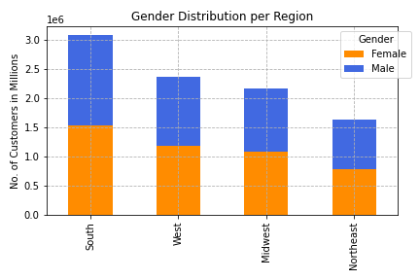
Observations, Visualisations and Recommendations - Customer Demographics
Observation | Visualisations | Recommendation

Popular Shopping Days and Times
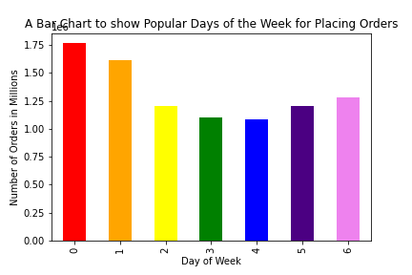
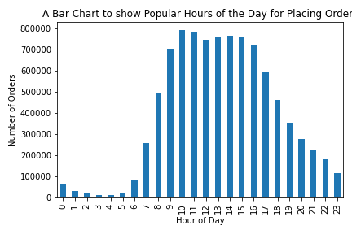
- The busiest shopping days are Saturday and Sunday. |  | - Recommend off-peak shopping discount incentives.
- The busiest shopping times are 9am to 5pm. |  | - Recommend Night-Owl/Early-Bird (10pm to 7am) shopping incentives.
- Off-Peak is 6pm to 8am, Monday to Friday. |  | - Recommend Mid-week deals.
- The quietest times are from 10pm to 7am.
- The quietest days are Tuesday and Wednesday.

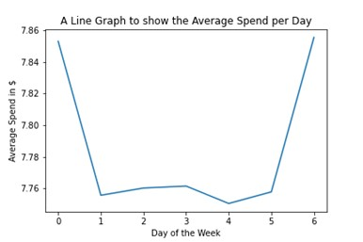
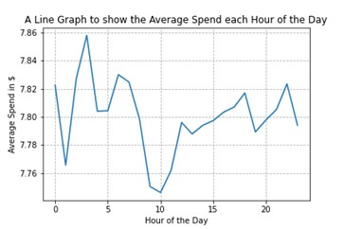
- Friday sees a slightly higher average spend from customers. |  | - Recommend deals on higher priced products when purchsed during off-peak times.
- The highest spending average occurs at 3am.

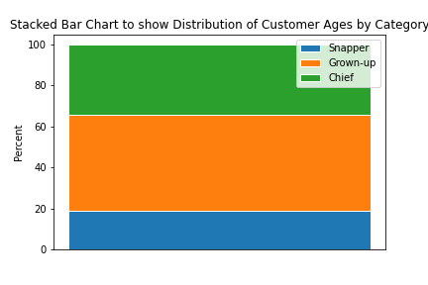
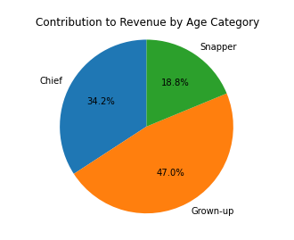
Customer Demographics - Age Category

- ‘Grown-up’ age category (30 to 60 years) makes up the largest group and contributes the most to revenue at almost 50%. |  | - Recommend 50% of advertising to target ‘Grown-up’ age category (30 to 60 years).
- The over 60s (Chiefs) contribute 34% to revenue as well as the number of orders placed. |  | - Recommend 30% of advertising to target ‘Snapper’ age category (Under 30 years).
 |  | - Recommend 20% of advertising to target ‘Chief’ age category (Over 60 years).
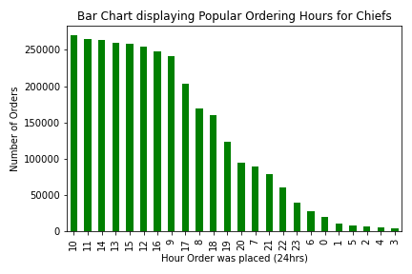
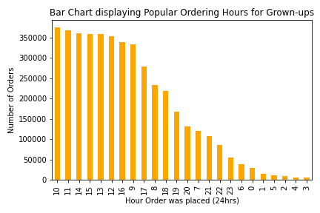
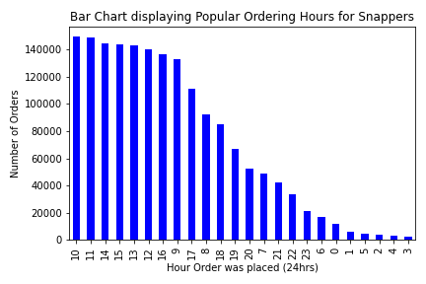
- There is no distinction in preferred shopping times between age categories. All age categories follow the exact same shopping pattern. The most popular time to shop is 10am.

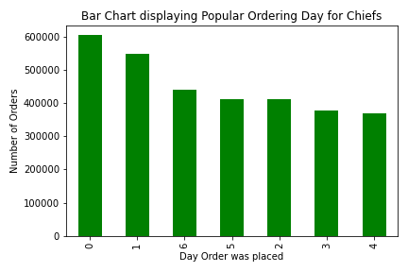
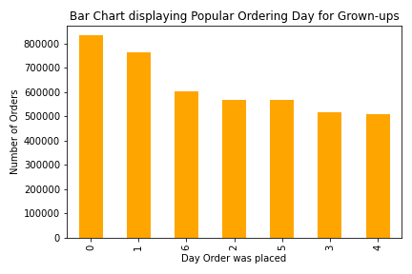
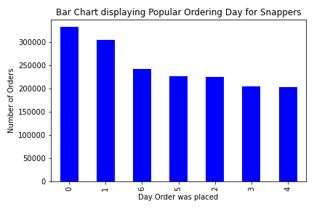
- Weekend days are the most popular day for shopping for customers from all age categories.

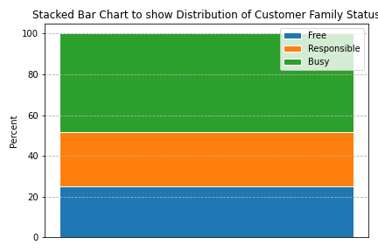
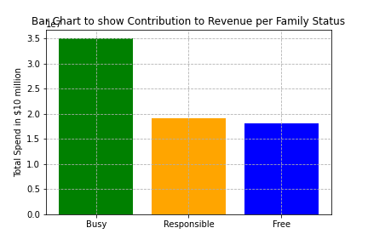
Customer Demographics - Family Category

- ‘Busy’ families make up almost 50% of the customer base. |  | - Recommend 75% advertising to target family categories with dependants.
- ‘Busy’ families place more orders, and contribute the most to revenue, (approximately 50%). |  | - Recommend 25% advertising to target family category without dependants.
- ‘Responsible’ and ‘Free’ families contribute equally to the remaining half of orders placed and revenue generated, making up 25% in both categories and areas.

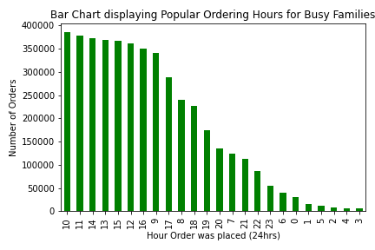
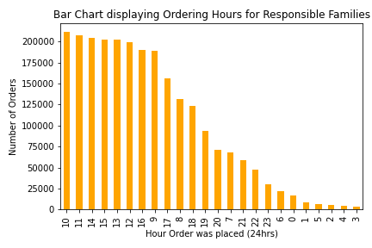
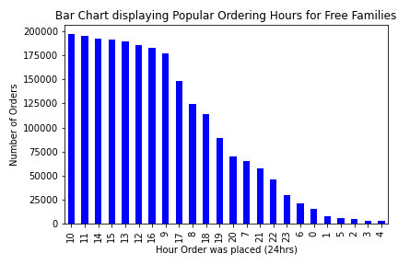
- Family category does not appear to have an effect on chosen shopping times.

Customer Demographics - Income Category
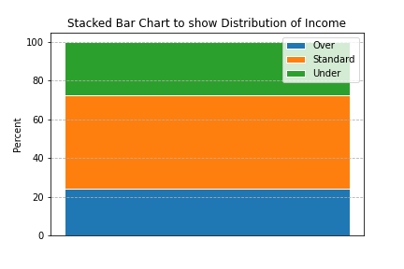
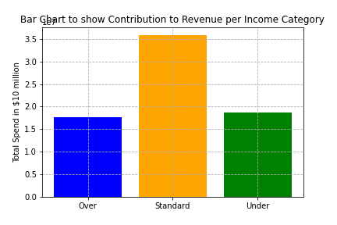

- Half of generated revenue is attributed to customers on a standard income who make up 50% of the customer base. |  | - Recommend providing money saving offers on a Sunday including the advertising of off-peak and mid-week shopping incentives to those on-line on a Sunday.
- The remaining 50% of income is split roughly equal between the other income categories: Under and Over, each group contributing approximately 25% to revenue.


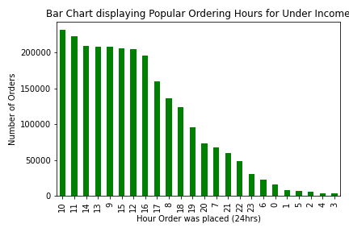
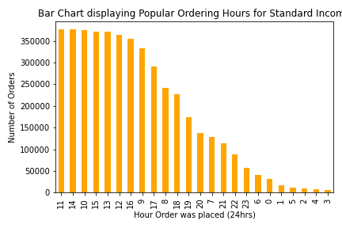
- ‘Standard’ income customers tend to shop at 11am while other income groups favour 10am.

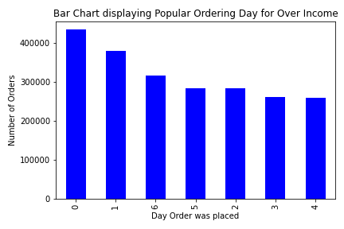
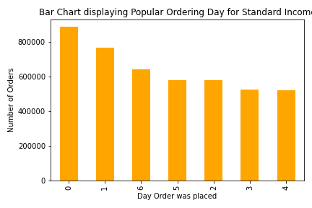
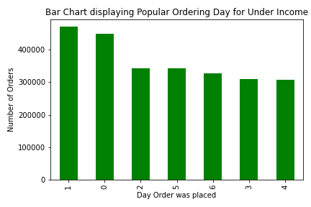
- Of the busiest days (Saturday and Sunday), ‘Under' income customers prefer to shop on a Sunday.

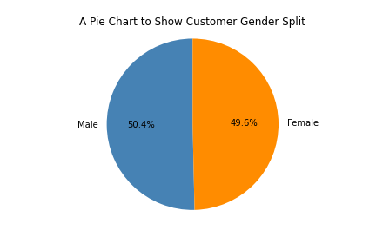
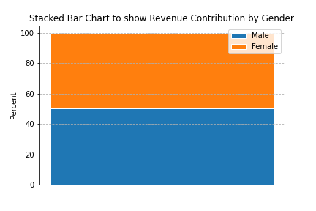
Customer Demographics - Gender

- The split between customer gender to the nearest percentage is about 50:50 |  | - Recommend ensuring that gender specific products are advertised in equal measures.
- The split between revenue generated by male and female customer is about 50:50.

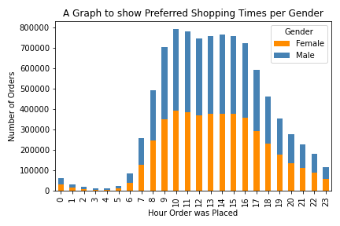
- There is no difference in preferred shopping days/times between Male and female customers.

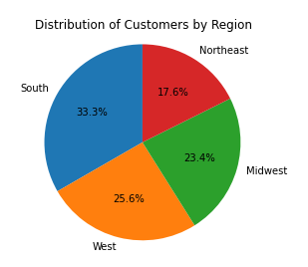
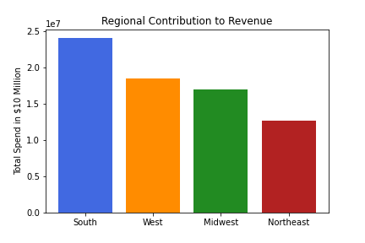
Customer Demographics - Location

- The South has the greatest distribution of customers and consequentially contributes the most to revenue. |  | - Recommend applying the same demographic related advertising nationally.

- The distribution of ages, family category, income and gender by region mirrors the overall distribution of all these customer profiles.
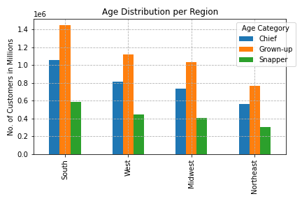
 | Age Distribution Overall vs Age per Region:
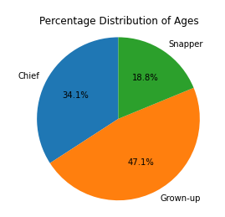

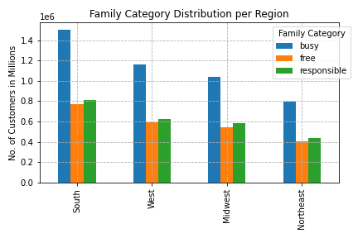
 | Family Category Distribution Overall vs Family per Region:
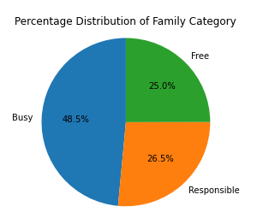

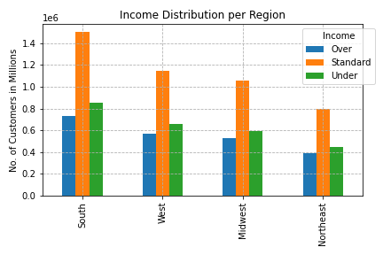
 | Income Distribution Overall vs Income per Region:
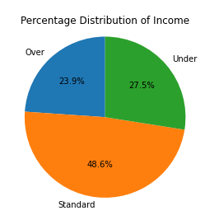

 | Gender Distribution Overall vs Gender per Region:

7. Obs, Viz & Rec Prods & Dept
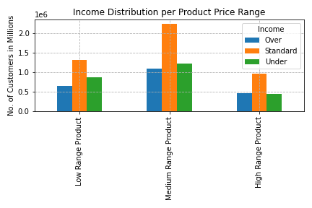
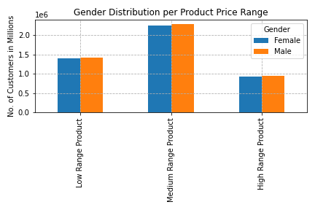
Observations, Visualisations and Recommendations - Product and Department Review
Observation | Visualisations | Recommendation

Product Price Range overall
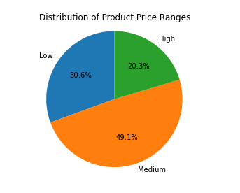
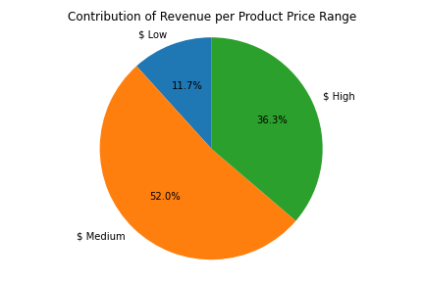

- For Info: The distribution of product price ranges is based on the number of orders placed. |  | - Recommend increasing advertising of mid and high range products.
- Almost 50% of products are in the medium price range. |  | - Recommend increasing the proportion of mid and high range products in stock.
- 30% of orders placed are from low-range product but the revenue generate makes up only 12%.
- High-range products contribute to more than one-third of revenue but only one-fifth of orders placed.
- Mid-range price products make-up the most orders placed as well as generating the highest revenue.

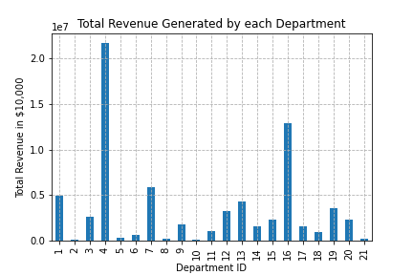
Department Review
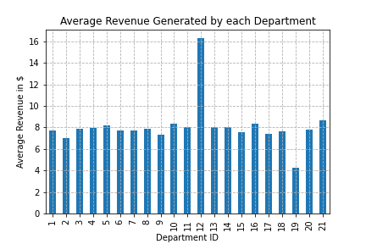

- The majority of revenue is generated in two main departments: 4: Produce and 16: Dairy/Egg. |  | - Recommend providing offers for bulk purchases from the Meat/Seafood departments (suitable for freezing).
- The highest average amount spent is in the 12: Meat/Seafood department.

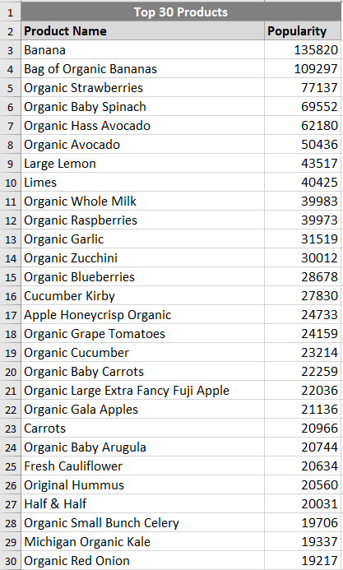
Popular Products

- Organic fruit, veg and milk feature highly in the top revenue products, as well as top orders. |  | - Recommend increasing the number of organic products.
- There are a number of products from a variety of departments that have a very low number of orders. |  | - Recommend discontinuing low selling products to make room for more popular items.

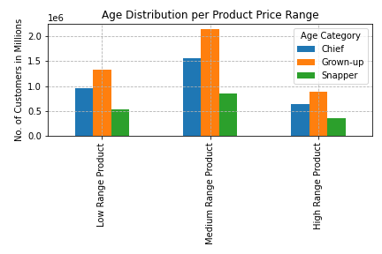
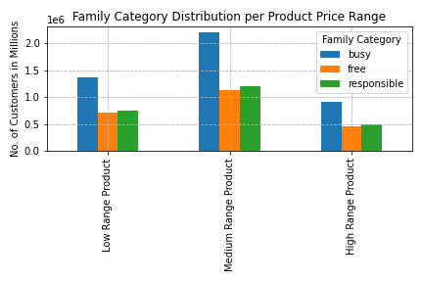
Product Price Range vs Demographics

- Distribution of proudct price range purchases is mirried in the main distribution. |  | - Product price range advertisement as recommend above.

8. Recommendations Summary
Summary of Recommendations

Popular Shopping Days and Times | - Recommend off-peak shopping discount incentives.
 | - Recommend Night-Owl/Early-Bird (10pm to 7am) shopping incentives.
 | - Recommend Mid-week deals.
 | - Recommend deals on higher priced products when purchsed during off-peak times.
Customer Demographics - Age Category | - Recommend 50% of advertising to target ‘Grown-up’ age category (30 to 60 years).
 | - Recommend 30% of advertising to target ‘Snapper’ age category (Under 30 years).
 | - Recommend 20% of advertising to target ‘Chief’ age category (Over 60 years).
Customer Demographics - Family Category | - Recommend 75% advertising to target family categories with dependants.
 | - Recommend 25% advertising to target family category without dependants.
Customer Demographics - Income Category | - Recommend providing money saving offers on a Sunday including the advertising of off-peak and mid-week shopping incentives to those on-line on a Sunday.
Customer Demographics - Gender | - Recommend ensuring that gender specific products are advertised in equal measures.
Customer Demographics - Location | - Recommend applying the same demographic related advertising nationally.
Product Price Range overall | - Recommend increasing advertising of mid and high range products.
 | - Recommend increasing the proportion of mid and high range products in stock.
Department Review | - Recommend providing offers for bulk purchases from the Meat/Seafood departments (suitable for freezing).
Popular Products | - Recommend increasing the number of organic products.
 | - Recommend discontinuing low selling products to make room for more popular items.

